Introduction
Arithmetic Paper v2.0
And Another,
And Another ...
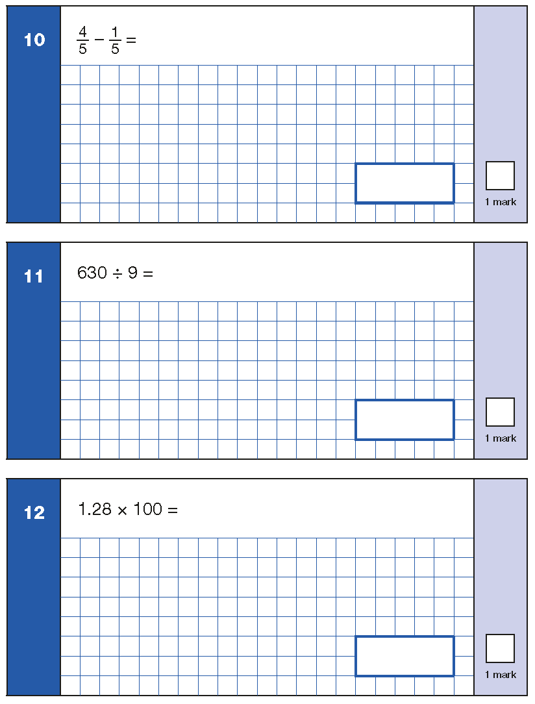

+ Generate an infinite number of context-free arithmetic questions.
+ Thirty six different types of questions reflecting the same structure as the 36 questions on the DfE KS2 Arithmetic Specimen Paper 1.
+ Ideal for lesson starters, assessing the accuracy, efficiency and flexiblityof calculation strategies used by KS2/3 pupils plus preparing Year 6 pupils for the Arithmetic Paper.
'Practice makes skilled'

- Select the Question number worksheet
- Press FN and F9 to generate an infinite number
of similar questions
- Move the Green Box to reveal the correct answer

Created by @MaxTheMaths

 | Licensed for use only in approved schools

Q1
Move to reveal answer
5 | 7 | 1 | + | 3 | 0 | 0 | = | 871

Q2
Move to reveal answer
1 | 0 | 5 | × | 2 | = | 210

Q3
Move to reveal answer
1 | 7 | + | 3 | 5 | = | 5.2

Q4
Move to reveal answer
1 | 4 | × | 4 | = | 56

Q5
,
Move to reveal answer
3 | 2 | 9 | 6 | + | 8 | 9 | 8 | = | 4,194

Q6
Move to reveal answer
16 | ÷ | 2 | = | 8

Q7
Move to reveal answer
3 | 8 | 5 | - | 9 | = | 376

Q8
Move to reveal answer
3 | 5 | + | 0 | 0 | 6 | = | 3.56

Q9
Move to reveal answer
9 | × | 3 | × | 8 | = | 216

Q10
Move to reveal answer
4 | − | 4 | = |  | 0
6 |  | 6 |  |  | 6
 |  |  |  | Note: Some answers may need simplifyng

Q11
Move to reveal answer
240 | ÷ | 6 | = | 40

Q12
Move to reveal answer
3 | 8 | 2 | x | 1 | 0 | 0 | = | 382

Q13
Move to reveal answer
2
12 | = | 144

Q14
,
Move to reveal answer
6 | 0 | 0 | 0 | 0 | − | 9 | 0 | 0 | = | 59,100

Q15
Move to reveal answer
7 | 0 | 0 | × | 4 | 0 | 0 | = | 280,000

Q16
Move to
reveal answer
720 | ÷ | 8 | = | 90

Q17
Move to
reveal answer
60 | % | of | 140 | = | 84

6

Q18
Move to
reveal answer
2 | 1 | 8 | × | 9 | = | 19.62

Q19
Move to
reveal answer
5 | + | 1 | = |  | 6
6 |  | 6 |  |  | 6
 |  |  |  | Note: Some answers may need simplifyng

Q20
,
,
Move to
reveal answer
6 | 7 | 1 | 8 | + | 9 | 8 | 5 | 0 | = | 16,568

Q21
Move to
reveal answer
6012 | ÷ | 7 | = | 858.85714286

Q22
Move to reveal answer
24 | − | 9 | 0 | 3 | = | 14.97

Q23
Move to reveal answer
 | 9 | 6
× | 4 | 6
 |  |  |  | 4416

 |  |  | 4416

Q24
Move to
reveal answer
18 | 8 | - | 9 | 8 | 8 | = | 8.92

Q25
Move to
reveal answer
15 | 2760 |  | 184

 |  | 184

Q26
Move to
reveal answer
5 | x | 2 | = |  | 10
6 |  | 8 |  |  | 48
 |  |  |  | Note: Some answers may need simplifyng

Q27
Move to
reveal answer
50 | % | of | 400 | = | 200

10

Q28
,
,
Move to
reveal answer
4 | 1 | 1 | 8 | 7 | 5 | + | 1 | 9 | 3 | 5 | 1 | = | 431,226

Q29
Move to
reveal answer
6 | 8 | 2
× | 4 | 2
 |  |  | 28644

Q30
Move to
reveal answer
8 | × | 4 | 1 | = |  | 104
 |  |  | 3 |  |  | 3
 |  |  |  |  | Note: Some answers may need simplifyng

Q31
Move to
reveal answer
29 | − | 4 | × | 5 | = | 9

Q32
Move to
reveal answer
4 | ÷ | 2 | = |  | 2
8 |  |  |  |  | 8
 |  |  |  | Note: Some answers may need simplifyng

Q33
Move to
reveal answer
6 | 1 | − | 1 | = |  | 105
 | 6 |  | 3 |  |  | 18
 |  |  |  |  | Note: Some answers may need simplifyng

Q34
Move to
reveal answer
31 | 9362 | 302

 | 302

Q35
Move to
reveal answer
2 | + | 3 | = |  | 7
3 |  | 6 |  |  | 6
 |  |  |  | Note: Some answers may need simplifyng

Q36
Move to
reveal answer
6 | ÷ | 2 | = |  | 6
7 |  |  |  |  | 14
 |  |  |  | Note: Some answers may need simplifyng

